Sheet1
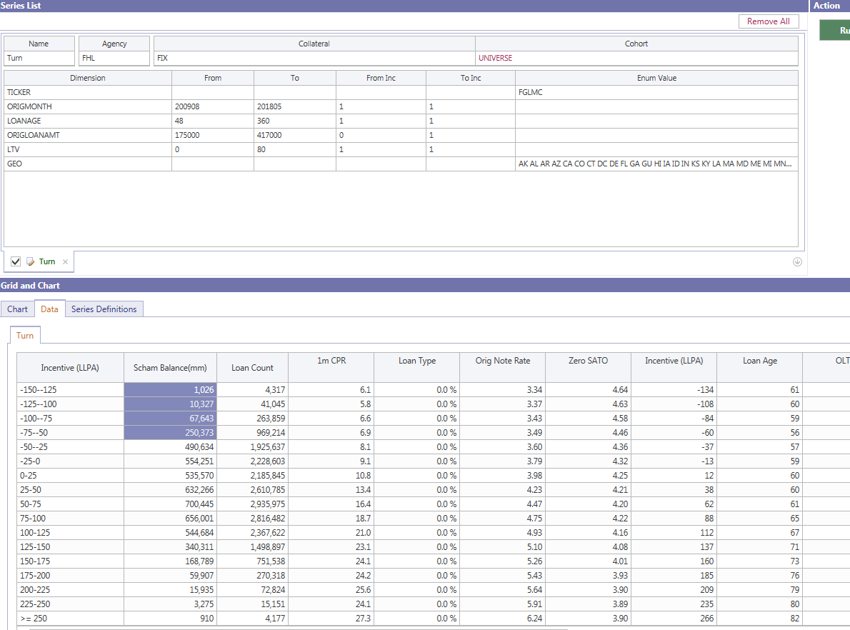
hpaBucket | smm | cpr | hpa_ | bal | bal_bb | Row Labels | Sum of bal_bb | Sum of bal
-5 | 3.7433756323E-06 | 0.0044919582748 | -6.1926320061 | 2593915.48 | 0.00259391548 | -5 | 0.00 | 0.00%
-4 | 3.5072830645E-07 | 0.0004208731558 | -5.3301388118 | 10435428.03 | 0.01043542803 | -4 | 0.01 | 0.00%
-3 | 0.014842577879 | 16.426689897 | -4.3756219669 | 40043559.47 | 0.04004355947 | -3 | 0.04 | 0.01%
-2 | 2.2882591791E-07 | 0.00027459075574 | -3.6028149717 | 29716913.46 | 0.02971691346 | -2 | 0.03 | 0.01%
-1 | 0.006813358466 | 7.8764987593 | -2.3772001438 | 27419147.39 | 0.02741914739 | -1 | 0.03 | 0.01%
0 | 4.6538607249E-05 | 0.05583203636 | -1.5640045659 | 69456741.21 | 0.06945674121 | 0 | 0.07 | 0.02%
1 | 0.0041087870519 | 4.8206344137 | 0.67238567738 | 1417748531.7 | 1.4177485317 | 1 | 1.42 | 0.46%
2 | 0.0053690984986 | 6.2560228471 | 1.555113204 | 6532396280.1 | 6.5323962801 | 2 | 6.53 | 2.11%
3 | 0.0048170318446 | 5.6297257293 | 2.6156393499 | 15787090460 | 15.78709046 | 3 | 15.79 | 5.10%
4 | 0.0056384650314 | 6.5602230672 | 3.4863331177 | 51598208722 | 51.598208722 | 4 | 51.60 | 16.68%
5 | 0.0062601566674 | 7.2588589492 | 4.5726787178 | 32189872142 | 32.189872142 | 5 | 32.19 | 10.40%
6 | 0.0056319967233 | 6.5529289127 | 5.4146415214 | 40118209319 | 40.118209319 | 6 | 40.12 | 12.97%
7 | 0.0073770097534 | 8.5019251163 | 6.507697121 | 12887877385 | 12.887877385 | 7 | 12.89 | 4.17%
8 | 0.0066511450631 | 7.6957823004 | 7.5056447951 | 25341052476 | 25.341052476 | 8 | 25.34 | 8.19%
9 | 0.00638416369 | 7.3976396923 | 8.614936919 | 24566426850 | 24.56642685 | 9 | 24.57 | 7.94%
10 | 0.0057935344813 | 6.734934973 | 9.5337482673 | 72339942838 | 72.339942838 | 10 | 72.34 | 23.38%
11 | 0.0056112249344 | 6.5295015395 | 10.203540557 | 25691033804 | 25.691033804 | 11 | 25.69 | 8.30%
12 | 0.0050495127266 | 5.8939318369 | 11.627398882 | 209878223.38 | 0.20987822338 | 12 | 0.21 | 0.07%
13 | 0.0079360813121 | 9.1184227028 | 12.394315813 | 516773699.6 | 0.5167736996 | 13 | 0.52 | 0.17%
14 | 0.046720039029 | 43.682215059 | 13.383372368 | 9885931.81 | 0.00988593181 | 14 | 0.01 | 0.00%
15 | 3.4989742614E-06 | 0.0041986883118 | 14.277038835 | 2272094.45 | 0.00227209445 | 15 | 0.00 | 0.00%
 |  |  |  |  |  | Grand Total | 309.38833446 | 100.00%

